hydrophillic sheet 2 TiO2Trans
Vesicle Diameter (nm) | 1000 | d | pore d | Diff Coeff | Coll Freq | Pore Coll. | Translocation Energy | Translocation rate
Residual Pore Diameter (nm) | 1 | 0.1 | 1.1 | 2.2695494885E-09 | 17170756904000 | 107317230.65 | 4.1843524031 | 2.11E+07
Leaflet Thickness (nm) | 2 | 0.2 | 1.2 | 1.1347747442E-09 | 8586236904000 | 53663980.65 | 8.4096876782 | 2.05E+06
Line Tension (pN) | 25 | 0.3 | 1.3 | 7.5651649616E-10 | 5.7247302373E+12 | 35779563.983 | 12.671540684 | 2.61E+05
Pore formation energy (kJ.mol-1) | 49.62 | 0.4 | 1.4 | 5.6738737212E-10 | 4293976904000 | 26837355.65 | 16.966072191 | 3.70E+04
 |  | 0.5 | 1.5 | 4.539098977E-10 | 3435524904000 | 21472030.65 | 21.289962923 | 5.52E+03
Partice Diameter (nm) | 1 | 0.6 | 1.6 | 3.7825824808E-10 | 2.8632235707E+12 | 17895147.317 | 25.640328419 | 8.49E+02
Translocation Rate (s-1)
Particle Concentration (M) | 1 | 0.7 | 1.7 | 3.242213555E-10 | 2454436904000 | 15340230.65 | 30.014650087 | 1.33E+02
Temperature (K) | 310 | 0.8 | 1.8 | 2.8369368606E-10 | 2147846904000 | 13424043.15 | 34.410718981 | 2.11E+01
Viscosity (Pa.s) | 0.001 | 0.9 | 1.9 | 2.5217216539E-10 | 1.9093880151E+12 | 11933675.094 | 38.826589633 | 3.38E+00
Boltzmann Constant (J.K-1) | 1.38E-23 | 1 | 2 | 2.2695494885E-10 | 1718620904000 | 10741380.65 | 43.260541907 | 5.44E-01
 |  | 1.1 | 2.1 | 2.0632268077E-10 | 1.5625387222E+12 | 9765867.0136 | 47.711049292 | 8.79E-02
Expanded pore diameter | 2 | 1.2 | 2.2 | 1.8912912404E-10 | 1.4324702373E+12 | 8952938.9833 | 52.176752405 | 1.42E-02
Diffusion Coefficient (m2.s-1) | 2.27E-10 | 1.3 | 2.3 | 1.7458072988E-10 | 1.3224122886E+12 | 8265076.8038 | 56.656436729 | 2.31E-03
Collision Frequency (s-1) | 1.72E+12 | 1.4 | 2.4 | 1.6211067775E-10 | 1228076904000 | 7675480.65 | 61.149013814 | 3.74E-04
Collisions with pore (s-1) | 1.07E+07 | 1.5 | 2.5 | 1.5130329923E-10 | 1.1463195707E+12 | 7164497.3167 | 65.653505335 | 6.08E-05
Translocation energy (kJ.mol-1) | 43.26 | 1.6 | 2.6 | 1.4184684303E-10 | 1074781904000 | 6717386.9 | 70.169029507 | 9.87E-06
Translocation Rate (s-1) | 5.44E-01 | 1.7 | 2.7 | 1.3350291109E-10 | 1.0116604334E+12 | 6322877.7088 | 74.694789467 | 1.60E-06
 |  | 1.8 | 2.8 | 1.2608608269E-10 | 9.5555245956E+11 | 5972202.8722 | 79.230063285 | 2.60E-07
 |  | 1.9 | 2.9 | 1.1944997308E-10 | 9.0535058821E+11 | 5658441.1763 | 83.774195364 | 4.22E-08
 |  | 2 | 3 | 1.1347747442E-10 | 860168904000 | 5376055.65 | 88.32658899 | 6.85E-09
 |  | 2.1 | 3.1 | 1.0807378517E-10 | 8.1929023733E+11 | 5120563.9833 | 92.886699867 | 1.11E-09
 |  | 2.2 | 3.2 | 1.0316134039E-10 | 7.8212781309E+11 | 4888298.8318 | 97.454030485 | 1.80E-10
 |  | 2.3 | 3.3 | 9.8676064717E-11 | 748196904000 | 4676230.65 | 102.0281252 | 2.91E-11
 |  | 2.4 | 3.4 | 9.456456202E-11 | 7.1709357067E+11 | 4481834.8167 | 106.60856591 | 4.72E-12
 |  | 2.5 | 3.5 | 9.078197954E-11 | 688478504000 | 4302990.65 | 111.19496829 | 7.63E-13
 |  | 2.6 | 3.6 | 8.7290364942E-11 | 6.6206459631E+11 | 4137903.7269 | 115.78697843 | 1.23E-13
 |  | 2.7 | 3.7 | 8.4057388463E-11 | 6.3760727437E+11 | 3985045.4648 | 120.38426988 | 1.99E-14
 |  | 2.8 | 3.8 | 8.1055338875E-11 | 614896904000 | 3843105.65 | 124.98654106 | 3.22E-15
 |  | 2.9 | 3.9 | 7.8260327189E-11 | 5.9375276607E+11 | 3710954.7879 | 129.59351291 | 5.19E-16
 |  | 3 | 4 | 7.5651649616E-11 | 5.7401823733E+11 | 3587613.9833 | 134.20492684 | 8.38E-17
 |  | 3.1 | 4.1 | 7.3211273822E-11 | 555556904000 | 3472230.65 | 138.82054291 | 1.35E-17
 |  | 3.2 | 4.2 | 7.0923421515E-11 | 538249404000 | 3364058.775 | 143.44013812 | 2.18E-18

MATiO2monolayer sheet 4
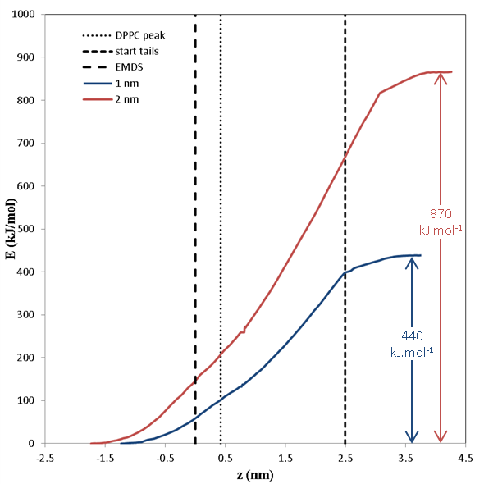
water-vapour surface tension |  | 0.0728 | N.m-1

nominal diameter (nm) | effective diameter (nm) | effective area (nm2) | ∆E (kJ.mol-1)
0.5 | 1 | 3.1 | -137.7
1 | 1.5 | 7.1 | -309.8
2 | 2.5 | 19.6 | -860.5
3 | 3.5 | 38.5 | -1686.6
4 | 4.5 | 63.6 | -2788.1

